Transmittal
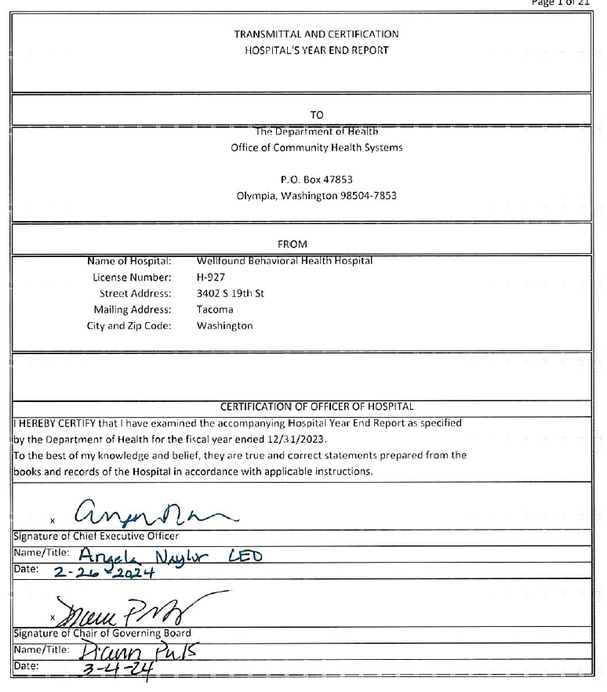
 |  |  |  | Page 1 of 21

 |  |  | TRANSMITTAL AND CERTIFICATION
 |  |  | HOSPITAL'S YEAR END REPORT

 |  |  | TO
 |  |  | The Department of Health
 |  |  | Office of Community Health Systems

 |  |  | P.O. Box 47853
 |  |  | Olympia, Washington 98504-7853

 |  |  | FROM
 | Name of Hospital: | Wellfound Behavioral Health Hospital
 | License Number: | H-927
 | Street Address: | 3402 S 19th St
 | Mailing Address: | Tacoma
 | City and Zip Code: | Washington

 |  |  | CERTIFICATION OF OFFICER OF HOSPITAL
I HEREBY CERTIFY that I have examined the accompanying Hospital Year End Report as specified
by the Department of Health for the fiscal year ended 12/31/2023.
To the best of my knowledge and belief, they are true and correct statements prepared from the
books and records of the Hospital in accordance with applicable instructions.

x
Signature of Chief Executive Officer
Name/Title:
Date:

x
Signature of Chair of Governing Board
Name/Title:
Date:

