DataEntry
Jar Test Summary for WTP
Step 1 - Enter plant background data. Enter data in cells with white background only
Plant/Train Name | Date | Test No. | Test Time, hr:min |  | Test Date | 5-Mar-03
 |  |  |  |  | Test No. | 1
Water Source | Flow Rate (MGD) | Raw Turbidity | Water Temp (C) | Raw pH | Raw Alk. (mg/L) | Raw TOC (mg/L)

Chemical | Coagulant | Other Chemical 1 | Other Chemical 2 | Settled Turbidity | IFE Turbidity | Treated TOC (mg/L)
Name
Current Dose

Step 2 - Enter jar test settings. Click Jar Settings HELP Button for guidance on setting parameters.
 | Rapid Mix #1 | Rapid Mix #2 | Floc, Stage 1 | Floc, Stage 2 | Floc, Stage 3 | Settle Time (min)
Speed (RPM)
Time (min)

Step 3 - Enter desired dose to determine volume of stock solution for each jar.
Click on Stock Solution HELP Button for guidance on preparing stock solutions.

Desired Stock | Coagulant | Other Chemical 1 | Other Chemical 2 | Raw Water Added to Jars (mL)
Solution Concentration (%)
Jar # | 1 | 2 | 3 | 4 | 5 | 6
Coagulant Dose (mg/L)
Stock Solution (mL)

Other Chem. 1 Dose (mg/L)
Stock Solution (mL)

Other Chem. 2 Dose (mg/L)
Stock Solution (mL)

Step 4 - Conduct jar test and enter results below.
Jar Number | 1 | 2 | 3 | 4 | 5 | 6
Coagulant Dose (mg/L) | 0.0 | 0.0 | 0.0 | 0.0 | 0.0 | 0.0
Other Chemical 1 (mg/L) | 0.00 | 0.00 | 0.00 | 0.00 | 0.00 | 0.00
Other Chemical 2 (mg/L) | 0.00 | 0.00 | 0.00 | 0.00 | 0.00 | 0.00
Time to floc formation (min)
Size of floc at mix end (mm)
Settled Turbidity (NTU)
Settled pH
Filtered Turbidity (NTU)
Settled TOC (mg/L)
Filtered UV Absorb. (cm-1)
TOC Removal, % | 0.0% | 0.0% | 0.0% | 0.0% | 0.0% | 0.0%

 | Settled Turbidity, ntu | Filtered Turbidity, ntu
1
2
3
4
5
6
 | Settled TOC, mg/L | Settled pH
0.0
0.0
0.0
0.0
0.0
0.0

 | UV Absorbance vs TOC

JarG
 | G calculations for jar testing
 |  |  | Impller: 1 inch x 3 inch (25.4 mm x 76 mm) |  |  |  | 1930.4 |  |  |  |  | Impeller: 40 mm x 60 mm |  |  | 2400
 | Input 2 liter jar: |  |  |  |  |  |  |  |  | Input 1 liter jar based on EC Engineering design and mixing curve.
Diameter | D | 0.246 | ft |  |  |  |  |  | Diameter | D | 0.253 | ft | 7.7 cm versus 6 cm to match vendor curve
 | Np | 3 | FBT | Adjusted from recommended value of 3.6 for flat blade turbine to fit original curve |  |  |  |  |  | Np | 3 | FBT
Specific gravity | S | 1 |  |  |  |  |  |  | Specific gravity | S | 1
Volume | V | 0.071 | ft3 |  |  |  |  |  | Volume | V | 0.035 | ft3
Viscosity | u | 0.00003746 | lb-sec/ft2 @ 0C |  |  |  |  |  |  | u | 0.00003746 | lb-sec/ft2 @ 0C
 | u | 0.00003229 | lb-sec/ft2 @ 4C |  |  |  |  |  |  | u | 0.00003229 | lb-sec/ft2 @ 4C
 | u | 0.00002735 | lb-sec/ft2 @ 10C |  |  |  |  |  |  | u | 0.00002735 | lb-sec/ft2 @ 10C
 | u | 0.00002359 | lb-sec/ft2 @ 16C |  |  |  |  |  |  | u | 0.00002359 | lb-sec/ft2 @ 16C
 | u | 0.0000205 | lb-sec/ft2 @ 21C |  |  |  |  |  |  | u | 0.0000205 | lb-sec/ft2 @ 21C
 | u | 0.00001799 | lb-sec/ft2 @ 27C |  |  |  |  |  |  | u | 0.00001799 | lb-sec/ft2 @ 27C
 | u | 0.00001595 | lb-sec/ft2 @ 32C |  |  |  |  |  |  | u | 0.00001595 | lb-sec/ft2 @ 32C

 |  | Temperature C |  |  |  |  |  |  |  | Temperature C
 | RPM | 0 | 4 | 10 | 16 | 21 | 27 | 32 | RPM | 0 | 4 | 10 | 16 | 20 | 27 | 32
 | 10 | 3.0 | 3.3 | 3.5 | 3.8 | 4.1 | 4.4 | 4.6 | 10 | 4.6 | 4.9 | 5.4 | 5.8 | 6.2 | 6.6 | 7.0
 | 30 | 15.8 | 17.0 | 18.4 | 19.9 | 21.3 | 22.7 | 24.1 | 30 | 23.8 | 25.6 | 27.8 | 30.0 | 32.2 | 34.3 | 36.5
 | 50 | 33.9 | 36.5 | 39.7 | 42.7 | 45.8 | 48.9 | 51.9 | 50 | 51.2 | 55.1 | 59.9 | 64.5 | 69.2 | 73.9 | 78.5
 | 100 | 95.9 | 103.3 | 112.2 | 120.8 | 129.6 | 138.3 | 146.9 | 100 | 144.8 | 156.0 | 169.5 | 182.5 | 195.7 | 208.9 | 221.9
 | 300 | 498.1 | 536.5 | 583.0 | 627.7 | 673.4 | 718.8 | 763.4 | 300 | 752.4 | 810.4 | 880.5 | 948.1 | 1017.1 | 1085.7 | 1153.0

 |  |  |  |  |  | Water Viscosity Table
 |  |  |  |  |  | 0 | 0.00003746
 |  |  |  |  |  | 4.4 | 0.00003229
 |  |  |  |  |  | 10 | 0.00002735
 | Temperature | Trend Visc. |  |  |  | 15.6 | 0.00002359
 | 0 | 0.00003713 |  |  |  | 21.1 | 0.00002050
 |  |  |  |  |  | 26.7 | 0.00001799
 |  |  |  |  |  | 32.2 | 0.00001595

JarSettingsHELP
Jar Settings HELP Screen
Step 1 - Determine rapid mix time based on available rapid mix volume and flow rate through rapid mix. To determine the mixing
energy (G value), use plant design info or refer to HELP buttons for type of mixing.
 | Enter square jar volume (1 or 2) |  | Liters
 | 1 or 2 Liter |  |  |  |  |  | When G value exceeds G achievable by jar @ 300 rpm, equivalent G x t can be used to adjust mixing time.
Stage | 1st | 2nd | 3rd
Rapid Mix Volume (ft3) |  |  |  |  |  |  |  | 1st Stage |  | 3rd Stage
Rapid Mix Flow Rate (MGD) |  |  |  |  |  |  |  | Full Scale | Jar @ 300 rpm | Full Scale | Jar @ 300 rpm
Mix Time (sec) | CALCULATION | CALCULATION | CALCULATION |  |  |  | Time, sec | CALCULATION | #VALUE! | CALCULATION | #VALUE!
G Value (sec-1) |  |  |  |  |  |  | G, sec-1 | 0 | 600 | 0 | 600
Jar RPM | CALCULATION | CALCULATION | CALCULATION |  |  |  | G x t | #VALUE! | #VALUE! | #VALUE! | #VALUE!

Step 2 - Determine flocculation time per stage based on available flocculation volume and flow rate through the flocculation stage.
To determine mixing energy (G value) for each stage, use plant design info or refer to HELP buttons for type of mixing.

Table 3 |  |  |  |  |  |  | Additional transition segments
STAGE | 1st | 2nd | 3rd | 4th | Hydraulic & Turbine Mix buttons |  | Floc In | Sed In
Volume (ft3) |  |  |  |  | may also apply to flocculation
Flow Rate (MGD)
Floc Time (min) | CALCULATION | CALCULATION | CALCULATION | CALCULATION |  |  | CALCULATION | CALCULATION
G Value (sec-1)
Jar RPM | CALCULATION | CALCULATION | CALCULATION | CALCULATION |  |  | CALCULATION | CALCULATION

Step 3 - Determine the jar settling time based on the sed basin surface overflow rate (rise rate) and corresponding particle settling
velocity. If the sed basins have tube settlers installed, use input box on the right.

 |  |  |  | Conventional Basin with Tube or Plate Settlers |  |  |  |  |  |  |  |  | Plate opening (typ. 5 cm)
Conventional Basin |  |  |  | Tube or Plate Opening (inch)
Flow Rate (MGD) |  |  |  | Tube or Plate Angle (degrees) |  |  | 0.000 | rise rate (ft/min)
Surface Area (ft2) |  |  |  | Tube or Plate Depth (inch) |  |  | 0.000 | tube velocity (ft/min)
Settling velocity (cm/min) |  | CALCULATION |  | Flow Rate (MGD) |  |  | 0.00 | tube path length (ft) |  |  |  |  | Plate angle (typ. 60 degrees)
Floc to Sed Transition Time - (min) |  |  |  | Surface Area (ft2) |  |  | 0.0 | tube dt (min)
Jar Settling Time * (min) |  | CALCULATION |  | Settling Velocity (cm/min) |  | CALCULATION | 0.0 | tube settling distance (cm) |  |  |  | plate settling distance = plate opening / cos plate angle
* Based on 10 cm sample depth in jar |  |  |  | Floc to Sed Transition Time - (min)
 |  |  |  | Sample Time (min) |  | CALCULATION

Mixing Curves for Flat Paddle in 2-Liter Square Jar
 | 4 | 27
10 | 3.3 | 4.4
30 | 17.0 | 22.7
50 | 36.5 | 48.9
100 | 103.3 | 138.3
300 | 536.5 | 718.8

Mixing Curves for Flat Paddle in 1-Liter Square Jar
 | 4 | 20
10 | 4.9 | 6.2
30 | 25.6 | 32.2
50 | 55.1 | 69.2
100 | 156.0 | 195.7
300 | 810.4 | 1017.1

HydraulicMixHELP
Return to Data Entry Screen
Return to Jar Settings HELP Screen
Calculation of Velocity Gradient (G) for Hydraulic Mixing

Parameters | Input | Input | Input | Input | Units
Description
Basin/Pipe Volume |  |  |  |  | ft3
Flow Rate |  |  |  |  | MGD
Head loss (hL) |  |  |  |  | ft | Note: Headloss through piping segments can be estimated
Weight of Fluid (w) | 62.4 | 62.4 | 62.4 | 62.4 | lb/ft3
Water Temperature | 0 | 0 | 0 | 0 | C
Dynamic viscosity (u) | 0.00003713 | 0.00003713 | 0.00003713 | 0.00003713 | lb-sec/ft2
Velocity Gradient (G) | 0.0 | 0.0 | 0.0 | 0.0 | sec-1 | by paging down and using the Hazen-Williams input box.

Note: Input current water temperature in the DataEntry Screen.
The velocity gradient calculation requires a current value to be accurate.
Transfer the velocity gradient value to the JarSettingsHELP worksheet.

The Hazen-Williams equation for determination of head loss in pressure pipe (should be used only for turbulent flow).

Input
Flow (MGD) =
Pipe Diameter (inches) =
Length (feet) =
C =
Calculations
V (fps) = | #DIV/0!
Head loss - friction (ft) = | #DIV/0!
Pressure head (psi) = | #DIV/0!
Should minor losses be considered? | NO

V^2/2g = | #DIV/0!
K factors for minor losses |  | HL (ft)
90o bend | 0.3 | #DIV/0!
Squared edged inlet | 0.5 | #DIV/0!
Inward projecting pipe | 1 | #DIV/0!

Hazen-Williams Coefficient
Water Supply and Pollution Control, 4th ed., Viessman and Hammer, 1985
Pipe Material | C
New cast iron | 130
5-yr-old iron | 120
20-yr-old cast iron | 100
Average concrete | 130
New welded steel | 120
Asbestos cement | 140
Plastic | 150

The Manning equation for determination of head loss in open channel flow (should be used only for turbulent flow).
ISCO Open Channel Flow Measurement Handbook p. 67
Parameters | Input | Input |  | Input | Units
Description
Width |  |  |  |  | ft
Height |  |  |  |  | ft
Length |  |  |  |  | ft
Flow rate |  |  |  |  | MGD
n for concrete
Channel friction loss due to flow | #DIV/0! | #DIV/0! |  | #DIV/0! | ft
Minor loss
Opening Height |  |  |  |  | ft
Opening Width |  |  |  |  | ft
Flow rate through opening |  |  |  |  | ft^3/sec
Minor loss due to opening | #DIV/0! | #DIV/0! |  | #DIV/0! | ft
Minor loss
Opening Height |  |  |  |  | ft
Opening Width |  |  |  |  | ft
Flow rate through opening |  |  |  |  | ft^3/sec
Minor loss due to opening |  |  |  | #DIV/0! | ft
Total losses | #DIV/0! | #DIV/0! |  | #DIV/0!

NozzleMixHELP
Return to Data Entry Screen
Return to Jar Settings HELP Screen
Calculation of Velocity Gradient (G) for Pump Injection thru Nozzle

Parameters | Input |  | Units
Description
Coefficient of discharge |  |  |  | 0.85 | Obtained from Tacoma jar test speadsheet
Area of nozzle |  |  | ft2 | 0.375 | inch dia nozzle
Flow rate through nozzle |  |  | gpm | 0.03125 | ft dia nozzle
Diameter of pipeline or area of flow |  |  | ft2 | 0.00076699039394 | ft^2 area for 1 nozzle
Jet velocity | #DIV/0! | #DIV/0! | ft/sec | 0.055223308364 | ft^2 area for 72 nozzles
Mixing zone length |  |  | ft | See design below
Mixing volume | 0.0 | 0.0 | ft3
Velocity gradient (G) | 0.0 | 0.0 | sec-1
Flow rate |  |  | MGD
Detention time | #DIV/0! | #DIV/0! | sec
G x T | #DIV/0! | #DIV/0!

Note: Input current water temperature in the DataEntry Screen.
The velocity gradient calculation requires a current value to be accurate.
Transfer the velocity gradient value to the JarSettingsHELP worksheet.

 |  |  | Source: Tacoma WTP Jar Testing Spreadsheet
 |  |  | Time for Flash Mixing
 |  |  | The time for flash mixing is calculated based on the area in which mixing occurs. Mixing occurs across the channel for the length x, which can be found by: Time to Flash mix is found by: Where v = velocity of flow in channel Flash mix dimensions can be found on drawing 5M-7
60°
60°
60°
30°
30°
d = 16"
d = 16"
60°
x
 |  |  |  |  |  | Plan View
$$tan30=\frac{d}{x}$$

$$Time=\frac{x}{v}$$

 |  |  |  |  |  | Mixing zone x = | 2.309 | feet

TurbineMixHELP
Return to Data Entry Screen
Return to Jar Settings HELP Screen
Calculation of Velocity Gradient (G) for Vertical Turbine Mixers

Parameters |  | Input | Units | Note:
Description |  |  |  | Input current water temperature in the DataEntry screen - the
Blade Diameter (D) |  |  | ft | velocity gradient calculation requires a current value to be accurate.
Impeller Number (Np) |  |  | See Below
 | G @ 0 C
0 | 0
 | 0
 | 0
 | 0
 | 0
 | 0
 | 0
 | 0
 | 0
 | 0
 | 0
Volume (V) |  |  | ft3
Weight of Fluid (w) |  | 62.4 | lb/ft3
Acceleration of Gravity |  | 32.2 | ft/sec2
Water Temperature |  | 0 | C
Dynamic viscosity (u) |  | 0.00003713 | lb-sec/ft2

Controller Setting (%) |  | RPM (R) | G @ 0 C
Min | 0% | 0
 | 10%
 | 20%
 | 30%
 | 40%
 | 50%
 | 60%
 | 70%
 | 80%
 | 90%
Max | 100%
Actual

 |  |  |  |  | NOTE:
Source of information, equations, and images: Mixing in Coagulation and Flocculation, AWWARF 1991 & |  |  |  |  | You will need to enter the data for each vertical turbine mixer
Water Works Engineering, Qasim & Zhu, Prentice Hall PTR 2000 |  |  |  |  | and then transfer the resulting G value to the appropriate box
 |  |  |  |  | in the JarSettingsHELP screen. For example, if the plant has a
Impeller Power Number (Np) |  |  |  |  | two-stage mixer, the table will need to be filled out for each stage.
Propeller Type |  |  | Np |  | Page down for additional turbine mixer data entry tables.
Flat Blade Turbine (radial flow) |  |  | 2.6 - 3.6
Disk Turbine (radial flow) |  |  | 5.1 - 6.2
Curved Blade Turbine (radial flow) |  |  | 2.5
45o Pitched Blade Turbine (axial flow) |  |  | 1.36 - 1.94
4-Blade Hydrofoil |  |  | 0.4
3-Blade Hydrofoil |  |  | 0.3
Propeller (axial flow) |  |  | 0.3 - 0.7

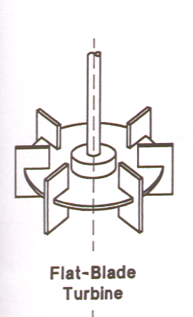
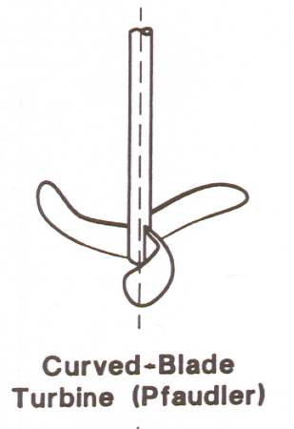
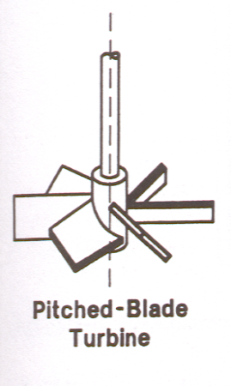
3-Blade Hydrofoil
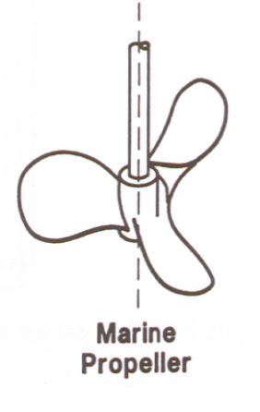

Disk

Flat blade turbine

Parameters |  | Input | Units
Description
Blade Diameter (D) |  |  | ft
 | G @ 0 C
0 | 0
 | 0
 | 0
 | 0
 | 0
 | 0
 | 0
 | 0
 | 0
 | 0
 | 0
Impeller Number (Np) |  |  | See Below
Volume (V) |  |  | ft3
Weight of Fluid (w) |  | 62.4 | lb/ft3
Acceleration of Gravity |  | 32.2 | ft/sec2

Controller Setting (%) |  | RPM (R) | G @ 0 C
Min | 0% | 0
 | 10%
 | 20%
 | 30%
 | 40%
 | 50%
 | 60%
 | 70%
 | 80%
 | 90%
Max | 100%
Actual

Parameters |  | Input | Units
Description
Blade Diameter (D) |  |  | ft
Impeller Number (Np) |  |  | See Below
 | G @ 0 C
0 | 0
 | 0
 | 0
 | 0
 | 0
 | 0
 | 0
 | 0
 | 0
 | 0
 | 0
Volume (V) |  |  | ft3 | 19745
Weight of Fluid (w) |  | 62.4 | lb/ft3
Acceleration of Gravity |  | 32.2 | ft/sec2

Controller Setting (%) |  | RPM (R) | G @ 0 C
Min | 0% | 0
 | 10%
 | 20%
 | 30%
 | 40%
 | 50%
 | 60%
 | 70%
 | 80%
 | 90%
Max | 100%
Actual

PaddleMixHELP
Return to Data Entry Screen
Return to Jar Settings HELP Screen
Calculation of Velocity Gradient (G) for Paddle-Type Mixers

 | Parameters | Input | Units | NOTE:
 | Description |  |  | Input current water temperature in the DataEntry Screen - the
 | Coefficient of Drag (Cd) |  |  | velocity gradient calculation requires a current value to be accurate.
 | Area of Paddles (A) |  | ft2
 | Diameter of Flocculator (d) |  | ft
 | G @ 0 C
0.0 | 0.0
 | 0.0
 | 0.0
 | 0.0
 | 0.0
 | 0.0
 | 0.0
 | 0.0
 | 0.0
 | 0.0
 | 0.0
 | Volume of basin (V) |  | ft3

Controller Setting (%) |  | RPM (R) | G @ 0 C
Min | 0% | 0.0
 | 10%
 | 20%
 | 30%
 | 40%
 | 50%
 | 60%
 | 70%
 | 80%
 | 90%
Max | 100%
Actual

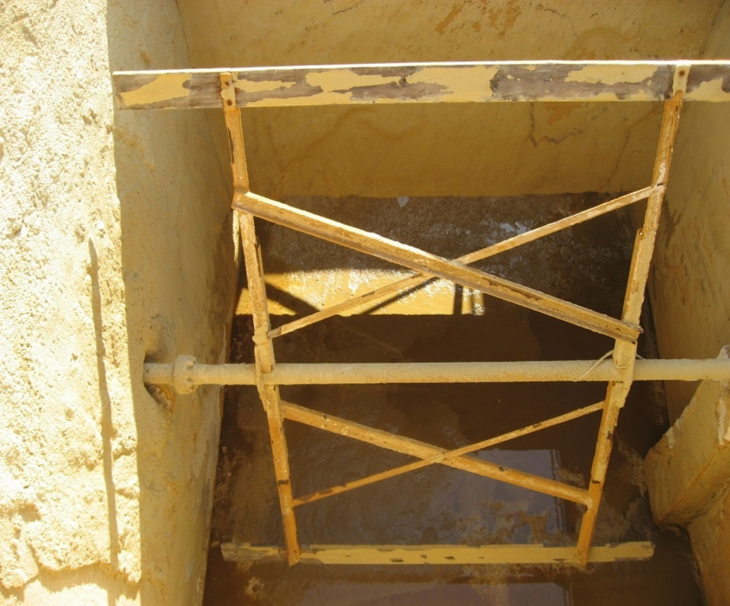
 |  |  | Source: Mixing in Coagulation and Flocculation, AWWARF 1991

NOTE:
You will need to enter the data for each paddle-type mixer
and then tranfer the resulting G value to the appropriate
box on the JarSettingsHELP screen. For example,
if the plant has three-stage mixer, the table will
need to be filled out once for each stage.
Page down for additional paddle-type mixer data entry tables.

 |  |  |  |  | Typical horizontal paddle-type flocculator

 | Parameters | Input | Units
 | Description
 | Coefficient of Drag (Cd)
 | Area of Paddles (A) |  | ft2
 | Diameter of Flocculator (d) |  | ft
 | G @ 0 C
0.0 | 0.0
 | 0.0
 | 0.0
 | 0.0
 | 0.0
 | 0.0
 | 0.0
 | 0.0
 | 0.0
 | 0.0
 | 0.0
 | Volume of basin (V) |  | ft3

Controller Setting (%) |  | RPM (R) | G @ 0 C
Min | 0% | 0.0
 | 10%
 | 20%
 | 30%
 | 40%
 | 50%
 | 60%
 | 70%
 | 80%
 | 90%
Max | 100%
Actual

 | Parameters | Input | Units
 | Description
 | Coefficient of Drag (Cd)
 | Area of Paddles (A) |  | ft2
 | Diameter of Flocculator (d) |  | ft
 | G @ 0 C
0.0 | 0.0
 | 0.0
 | 0.0
 | 0.0
 | 0.0
 | 0.0
 | 0.0
 | 0.0
 | 0.0
 | 0.0
 | 0.0
 | Volume of basin (V) |  | ft3

Controller Setting (%) |  | RPM (R) | G @ 0 C
Min | 0% | 0.0
 | 10%
 | 20%
 | 30%
 | 40%
 | 50%
 | 60%
 | 70%
 | 80%
 | 90%
Max | 100%
Actual

BeamMixHELP
 | Calculation of Velocity Gradient (G) for Walking Beam Mixers

 | Parameters | Input | Units | NOTE:
 | Coefficient of Drag (Cd) | 3 |  | Input current water temperature in the DataEntry screen - the
 | Area of Paddles (A) |  | ft2 | velocity gradient calculation requires a current value to be accurate.
Return to Data Entry Screen
 | Paddle Stroke Length (L) |  | ft
 | Volume of basin (V) |  | ft3

 | G @ 0 C
 | 0.0
 | 0.0
 | 0.0
 | 0.0
 | 0.0
 | 0.0
 | 0.0
 | 0.0
 | 0.0
 | 0.0
 | 0.0
 | Controller Setting (%) | RPM (R) | G @ 0 C
Min | 0%
 | 10%
 | 20%
 | 30%
 | 40%
 | 50%
 | 60%
 | 70%
 | 80%
 | 90%
Max | 100%
Actual

 | Source: Mixing in Coagulation and Flocculation, AWWARF 1991

Return to Jar Settings HELP Screen
NOTE:
You will need to enter the data for each walking-beam mixer
and then tranfer the resulting G value to the appropriate
box on the JarSettingsHELP screen. For example,
if the plant has three-stage flocculation, the table will
need to be filled out once for each stage.

